AGUS SEAFOOD
DATE | DESCRIPTION | QUANTITY | PRICE | BILLS | SUBTOTAL | TOTAL | Rp11,300,000
5-Mar-2026 | SALMON FILLET | 5.6 | IDR 290,000 | 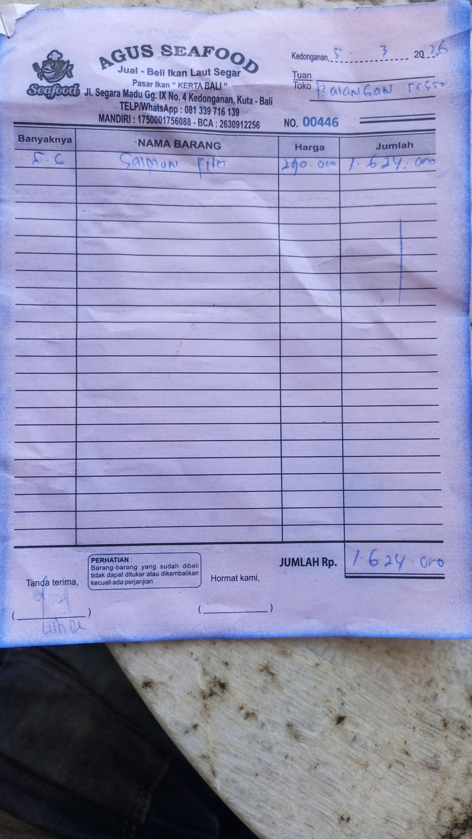 | IDR 1,624,000 | IDR 1,624,000
11-Mar-2026 | SALMON FILLET | 5.2 | IDR 290,000 | 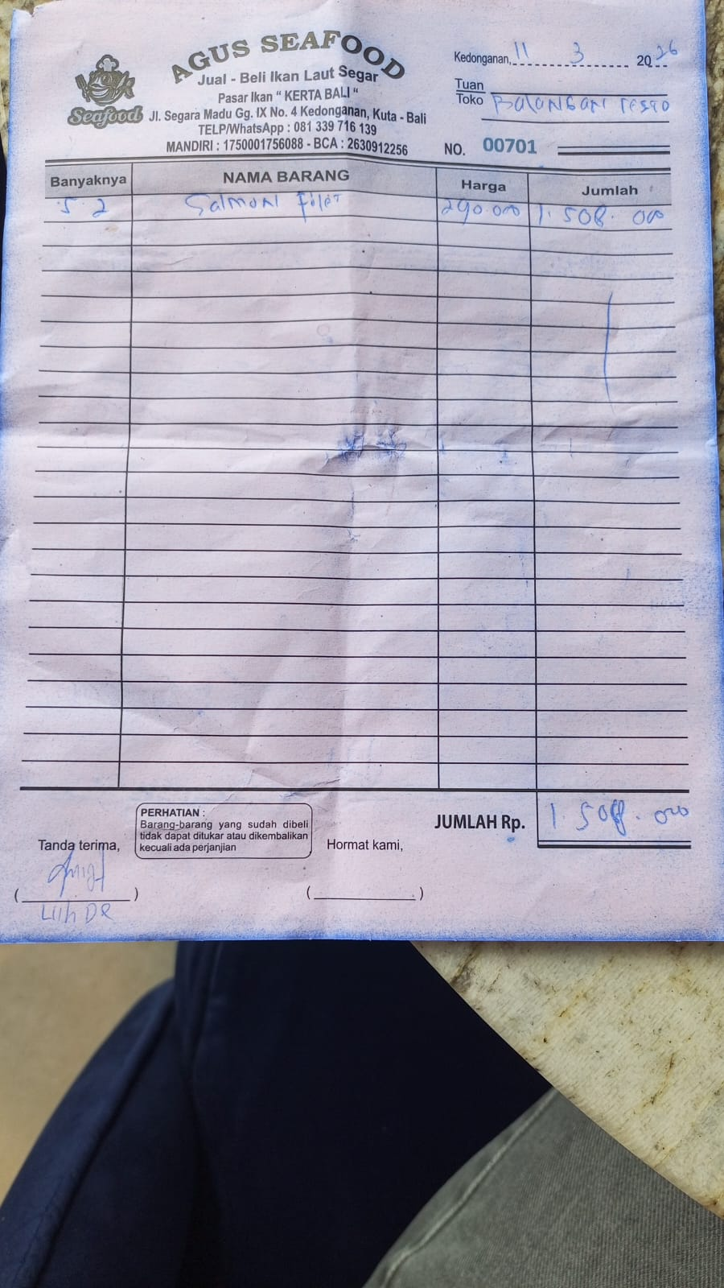 | IDR 1,508,000 | IDR 1,508,000
15-Mar-2026 | SALMON FILLET | 4.5 | IDR 290,000 | 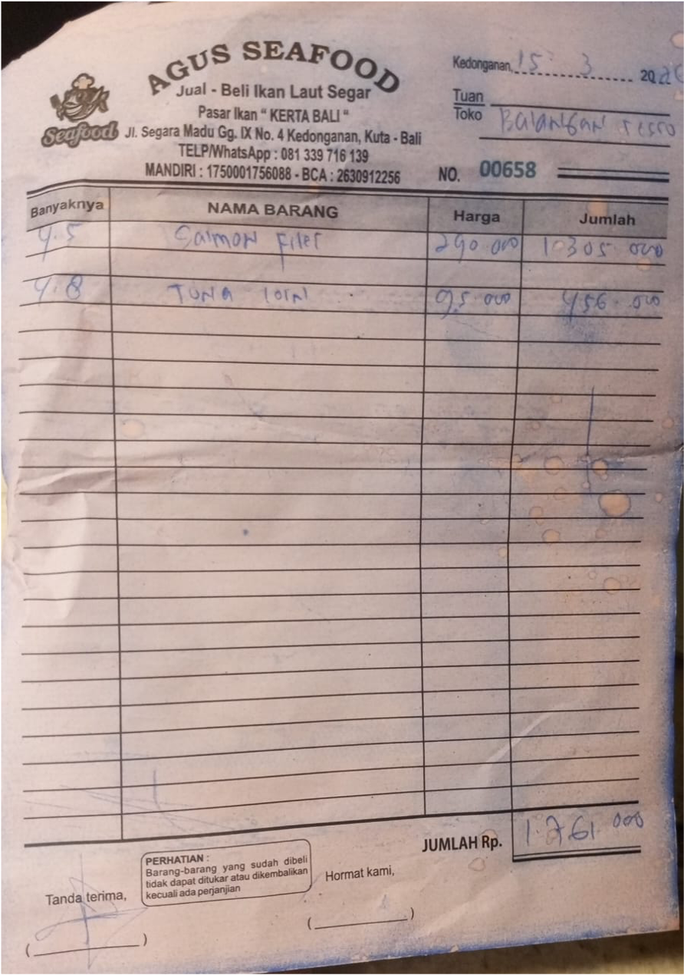 | IDR 1,305,000 | IDR 1,761,000
 | TUNA LOIN | 4.8 | IDR 95,000 |  | IDR 456,000
17-Mar-2026 | SALMON FILLET | 3.5 | IDR 290,000 | 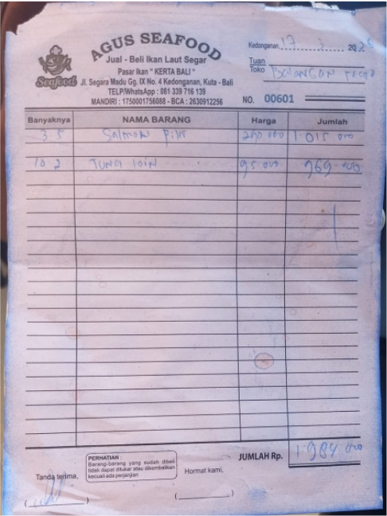 | IDR 1,015,000 | IDR 1,984,000
 | TUNA LOIN | 10.2 | IDR 95,000 |  | IDR 969,000
23-Mar-2026 | SALMON FILLET | 3.4 | IDR 290,000 | 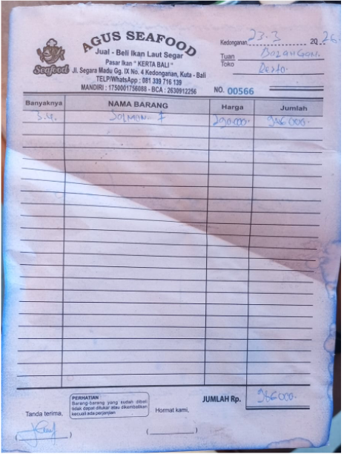 | IDR 986,000 | IDR 986,000
25-Mar-2026 | TUNA LOIN | 7 | IDR 95,000 | 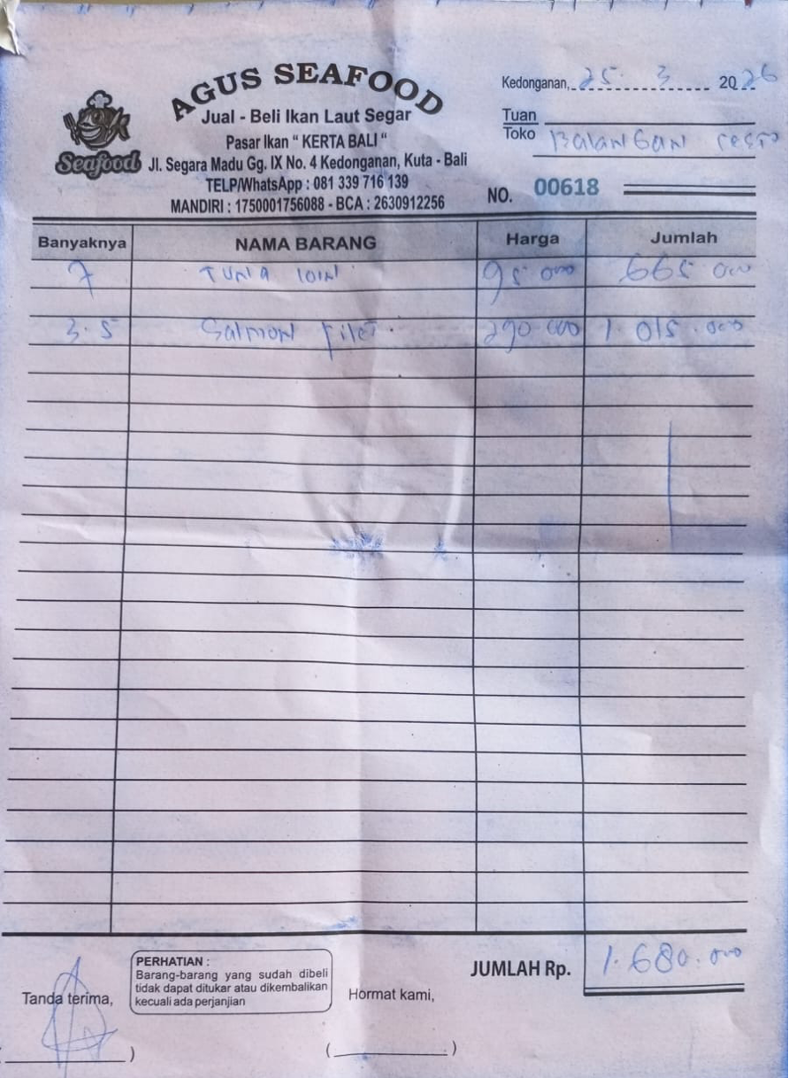 | IDR 665,000 | IDR 1,680,000
 | SALMON FILLET | 3.5 | IDR 290,000 |  | IDR 1,015,000
30-Mar-2026 | SALMON FILLET | 3.7 | IDR 290,000 | 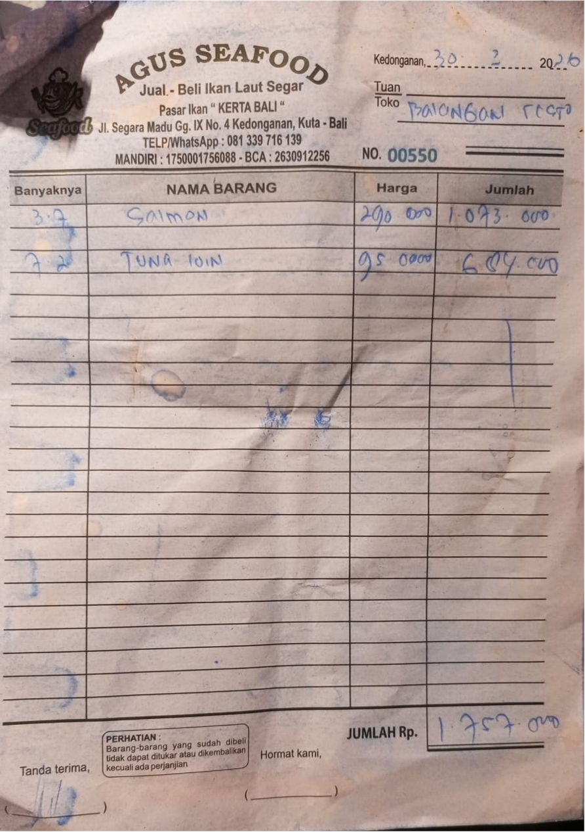 | IDR 1,073,000 | IDR 1,757,000
 | TUNA LOIN | 7.2 | IDR 95,000 |  | IDR 684,000

 |  |  | Rp11,300,000

